Project Background
You were recently hired as an accounting analytic consultant for a liquor store. The store was recently purchased by new Management group and they are looking for insights into various parts of the business such as their internal controls and overall performance.
The following tab of the workbook outlines the key questions that Management has asked you to handle during your two weeks on the job.
The following guidelines were shared:
1. Management provided the raw data to you in both excel and in an IDEA project. It is your choice which tool to use to answer the questions and you can mix and match accordingly. When you open the IDEA project, remember to import it just like you would a normal homework or demo file. Browse to the "Project - IDEA Project" folder.
2. Management provided you with a data definitions table that outlines the purpose of each field of each table. It is recommended that you review this document before you get started.
3. Management will evaluate the project as follows: There are 5 questions in total, each worth a maximum of 20 points (for a total score of 100). Each question will receive a score of 0, 5, 10, 15 or 20.
0 = No attempt
5 = Novice Attempt and Results
10 = Average Attempt and Results
15 = Proficient Attempt and Results
20 = Advanced Attempt and Results
4. Submissions must be made to 2SU by midnight of the day PRIOR to the week 10 live session. For example, if we meet on a Friday, it must be submitted Thursday evening. All files should be appropriately named ("First Name_Last Name_Project." )
5. This project must be completed individually!

Question 4 Support
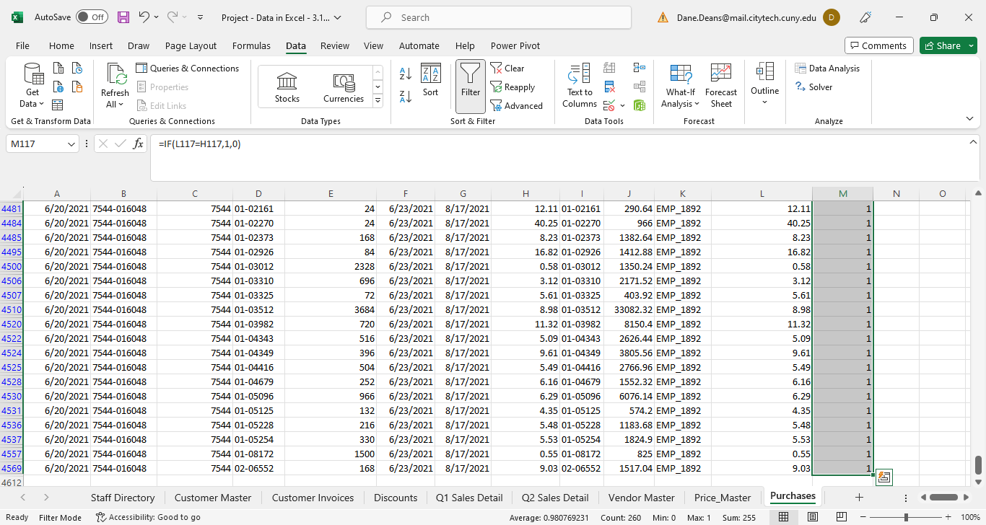
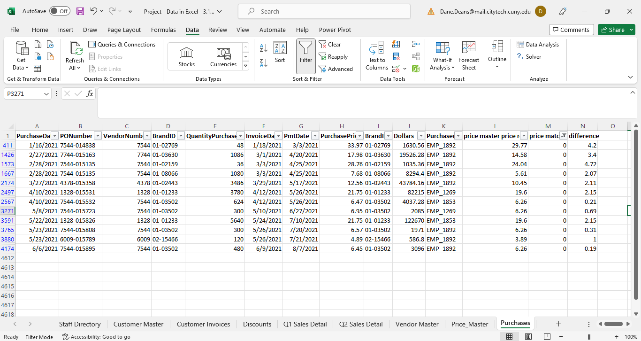
 | Total Loss:

Occurances of EMP_1892 and vendor 7544 (260 records)

Question 5 Support
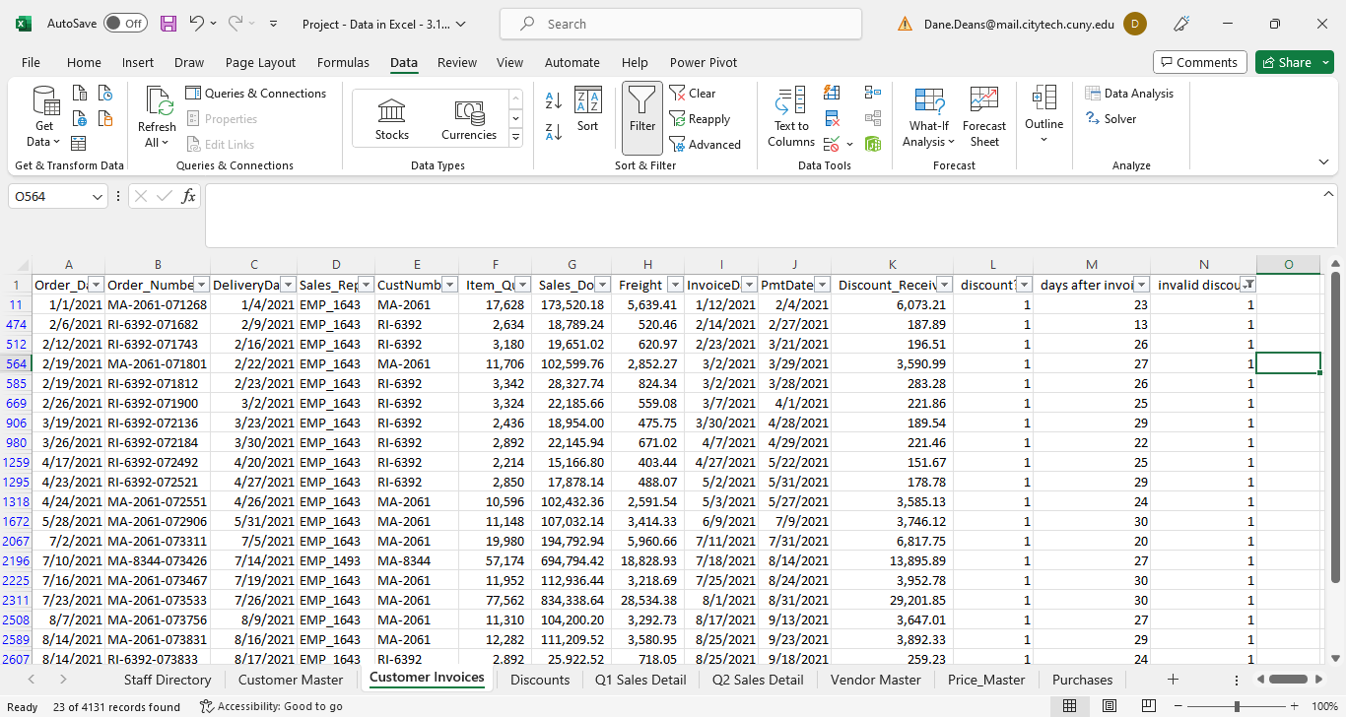
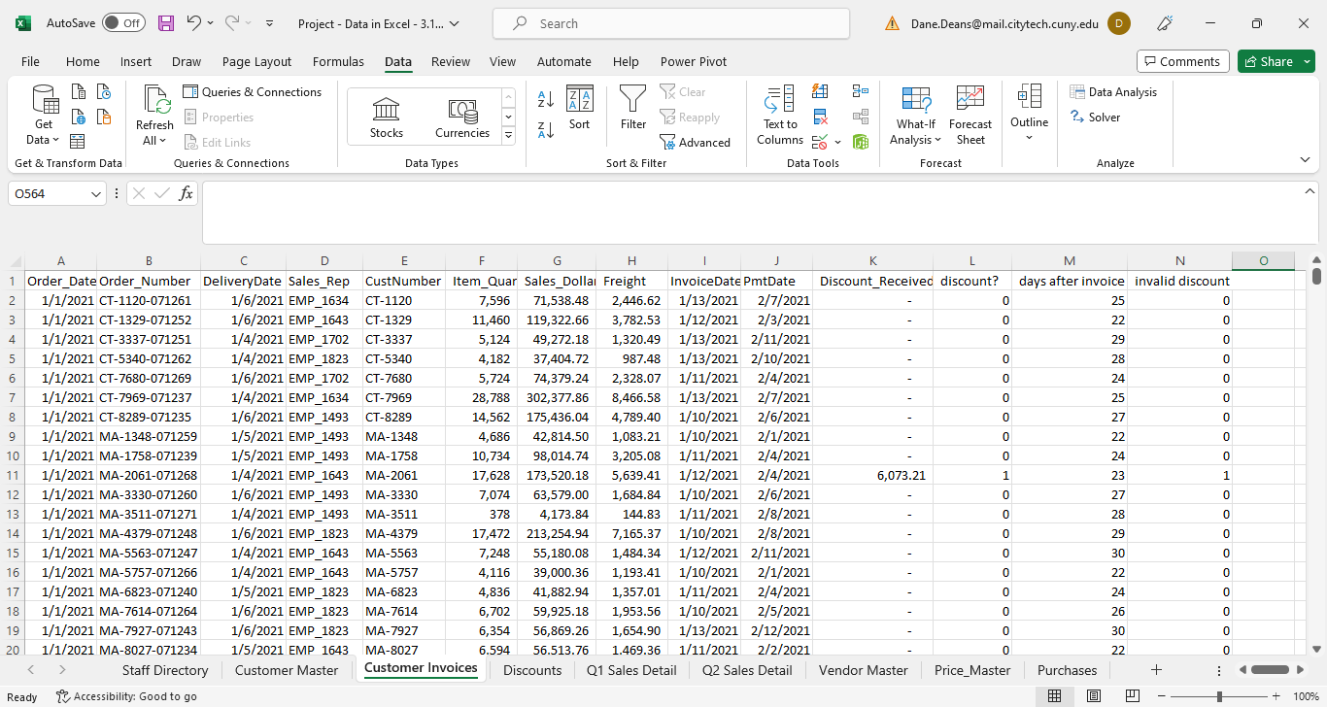
Found cases:

